Sheet1
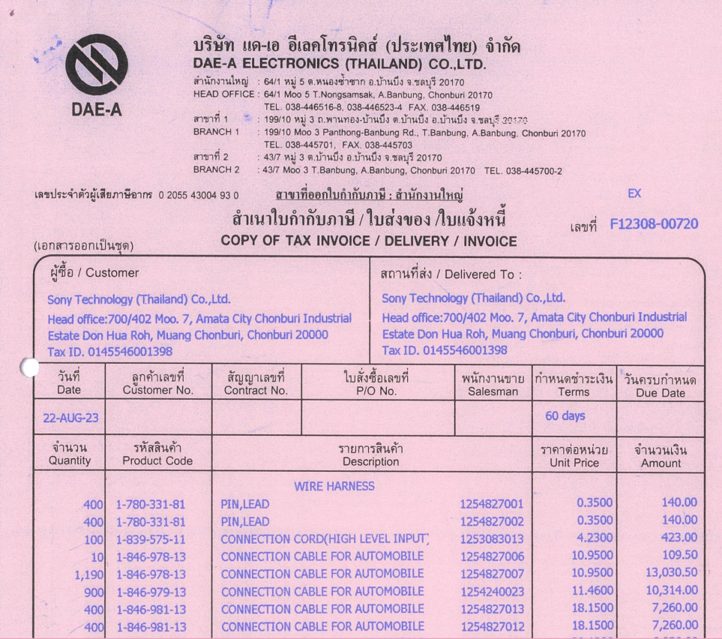

INVOICE_NO

ITEM_NO
PO_NO
UNIT_PRICE
AMOUNT
QTY

